SAP Transaction Guidance
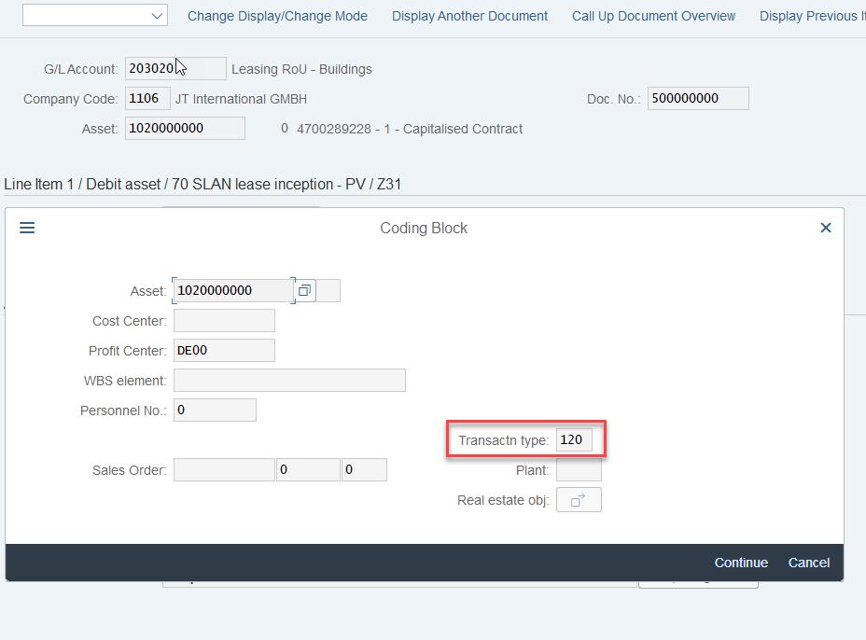
Guidance - SAP transaction FAGLL03

Adding multiple GL accounts

Enter SAP transaction code: | FAGLL03
Populate all the GL accounts by clicking:

Populate all the GL account in the below fields:
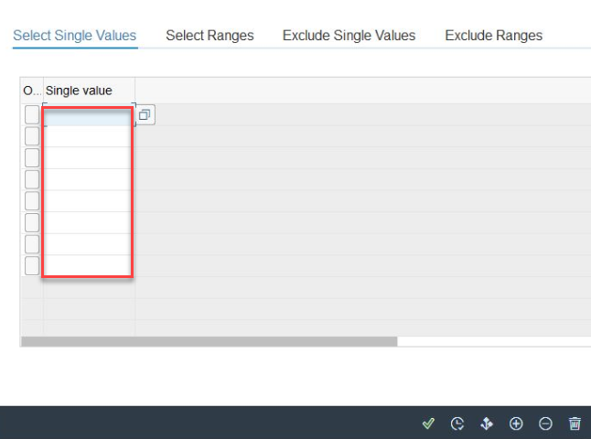

Select the green tick once all GL accounts are populated

Then execute the transaction using the button on the far right bottom:

Enter unique AG and PO number

In order to filter on specific contracts using their AG number or PO number follow the below steps:

Enter SAP transaction code: | FAGLL03
Select the custom Selections from the tops of the screen:

Go to the G/L Account Line Items folder on the left hand side and expand it.
Then double click on the Assignment field and you will notice it pop up on the right.
Populate the AG numbers and PO number in this selection

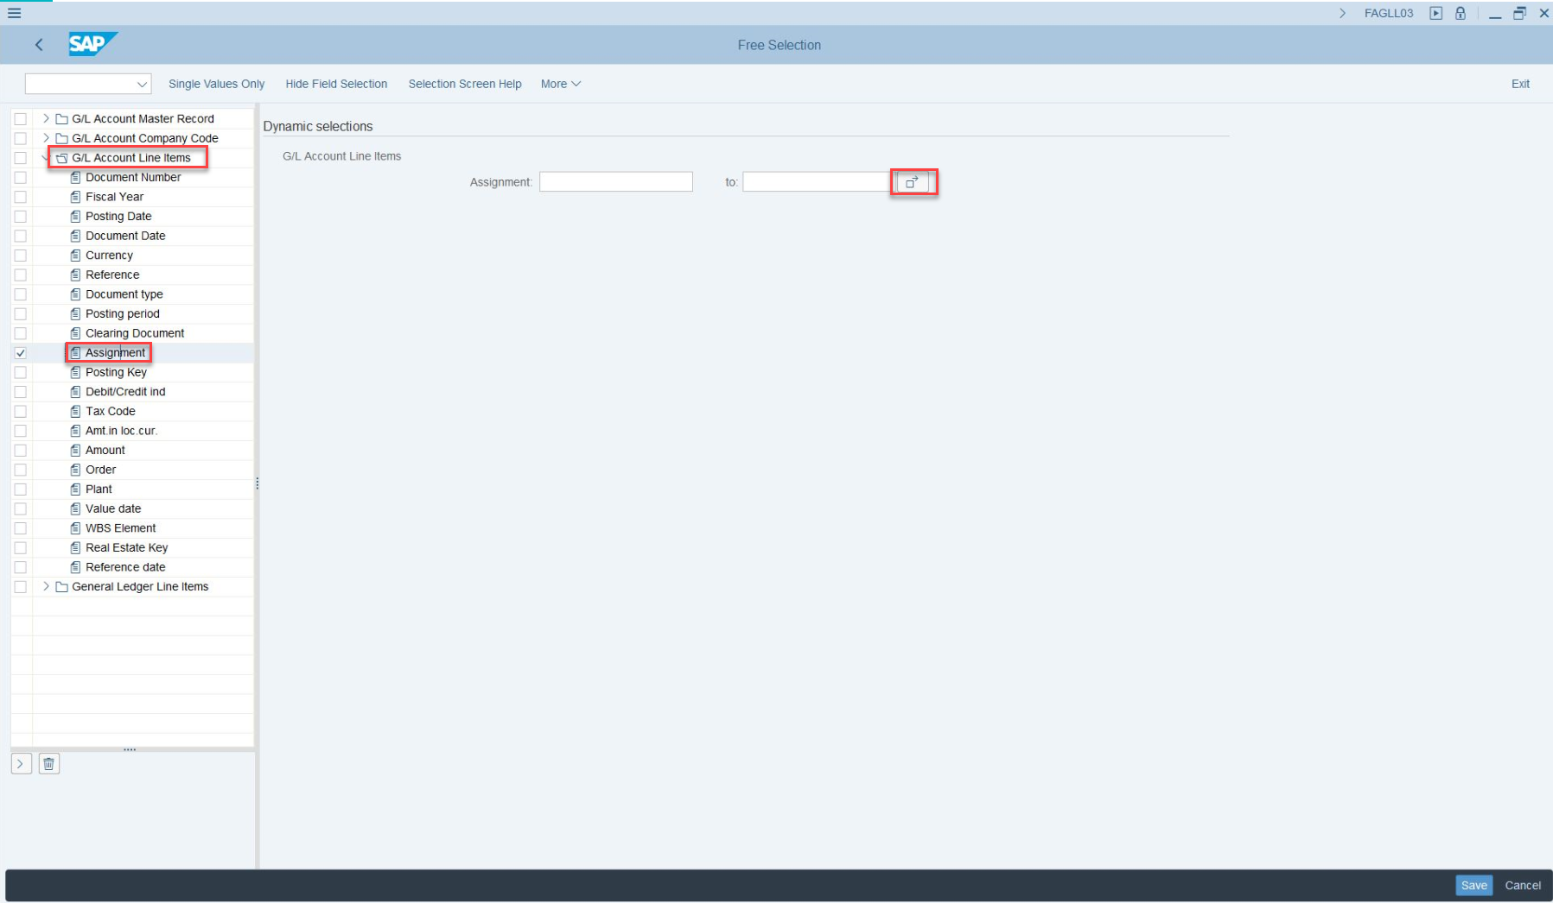

Then Save the changes

Changing layout (e.g. custom report fields Assignment, Reference, Profit center etc.)

To change a layout when using transaction FAGLL03 follow the below steps

Once you have exectued the report select the option highlighted below:

The below box will pop up and you can select any of the fields from the Hidden fields column and move them to the left by clicking button

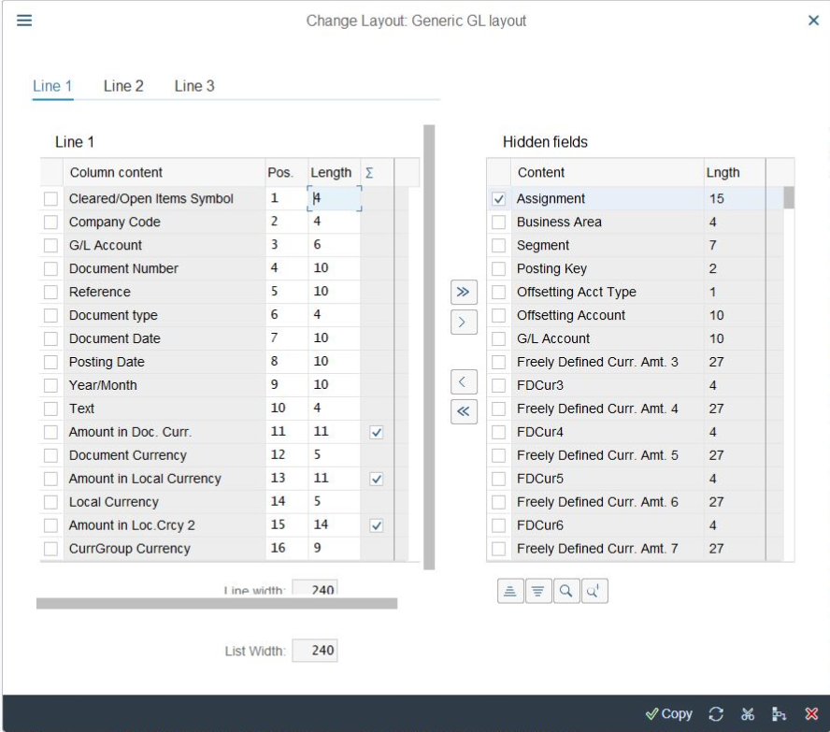

Once you have chosen all the fields you require press the copy button:

Your fields will now be visible in your report.

Checking asset movement types

Enter SAP transaction code: | AW01N
Populate the company code and asset number. Then press enter
Change the fiscal year to: | 2019

At the bottom under the transactions double click on the field under the 'Ttype' heading:
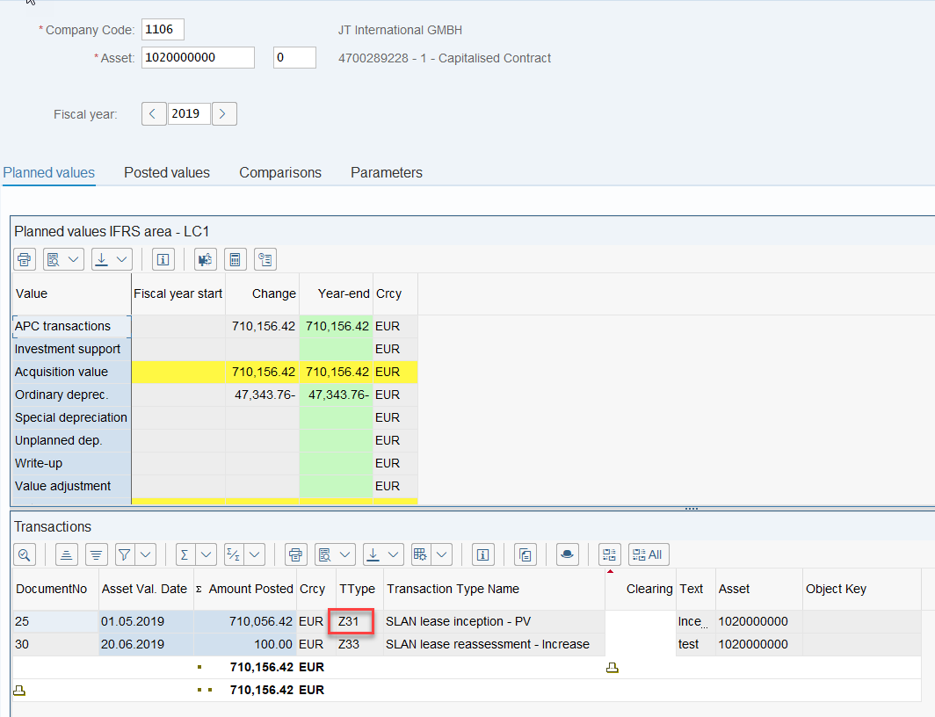

This takes you to the document; then click on the line with the asset number:

Select the 'more' button

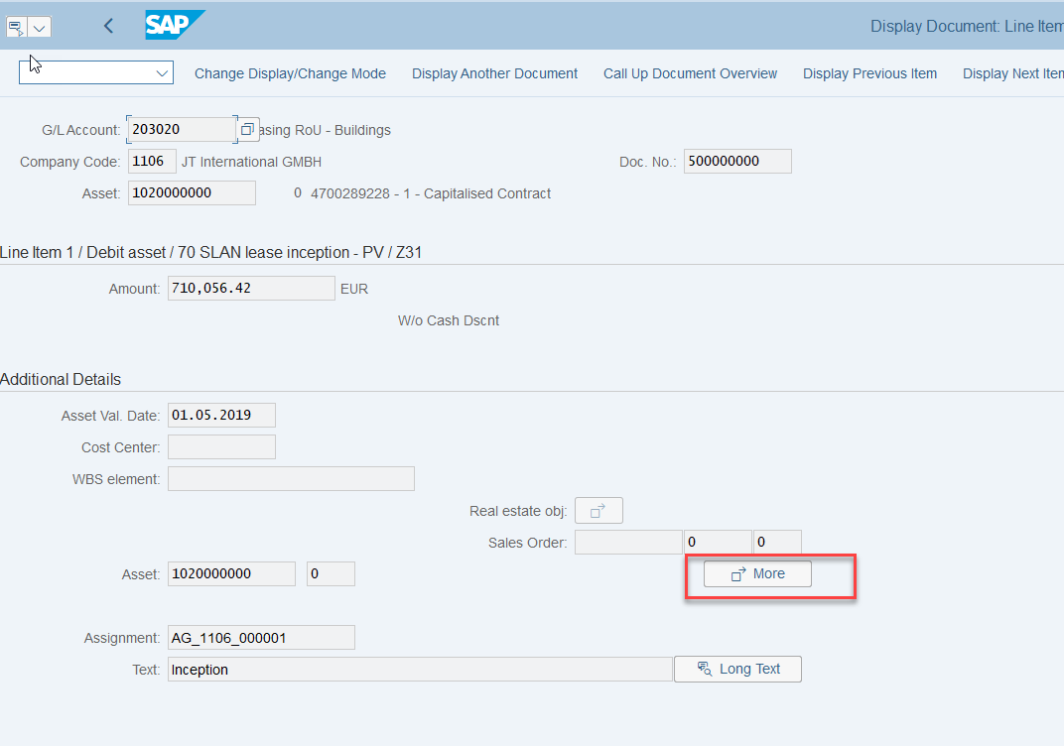

You will then be able to see the transaction type:

